Script
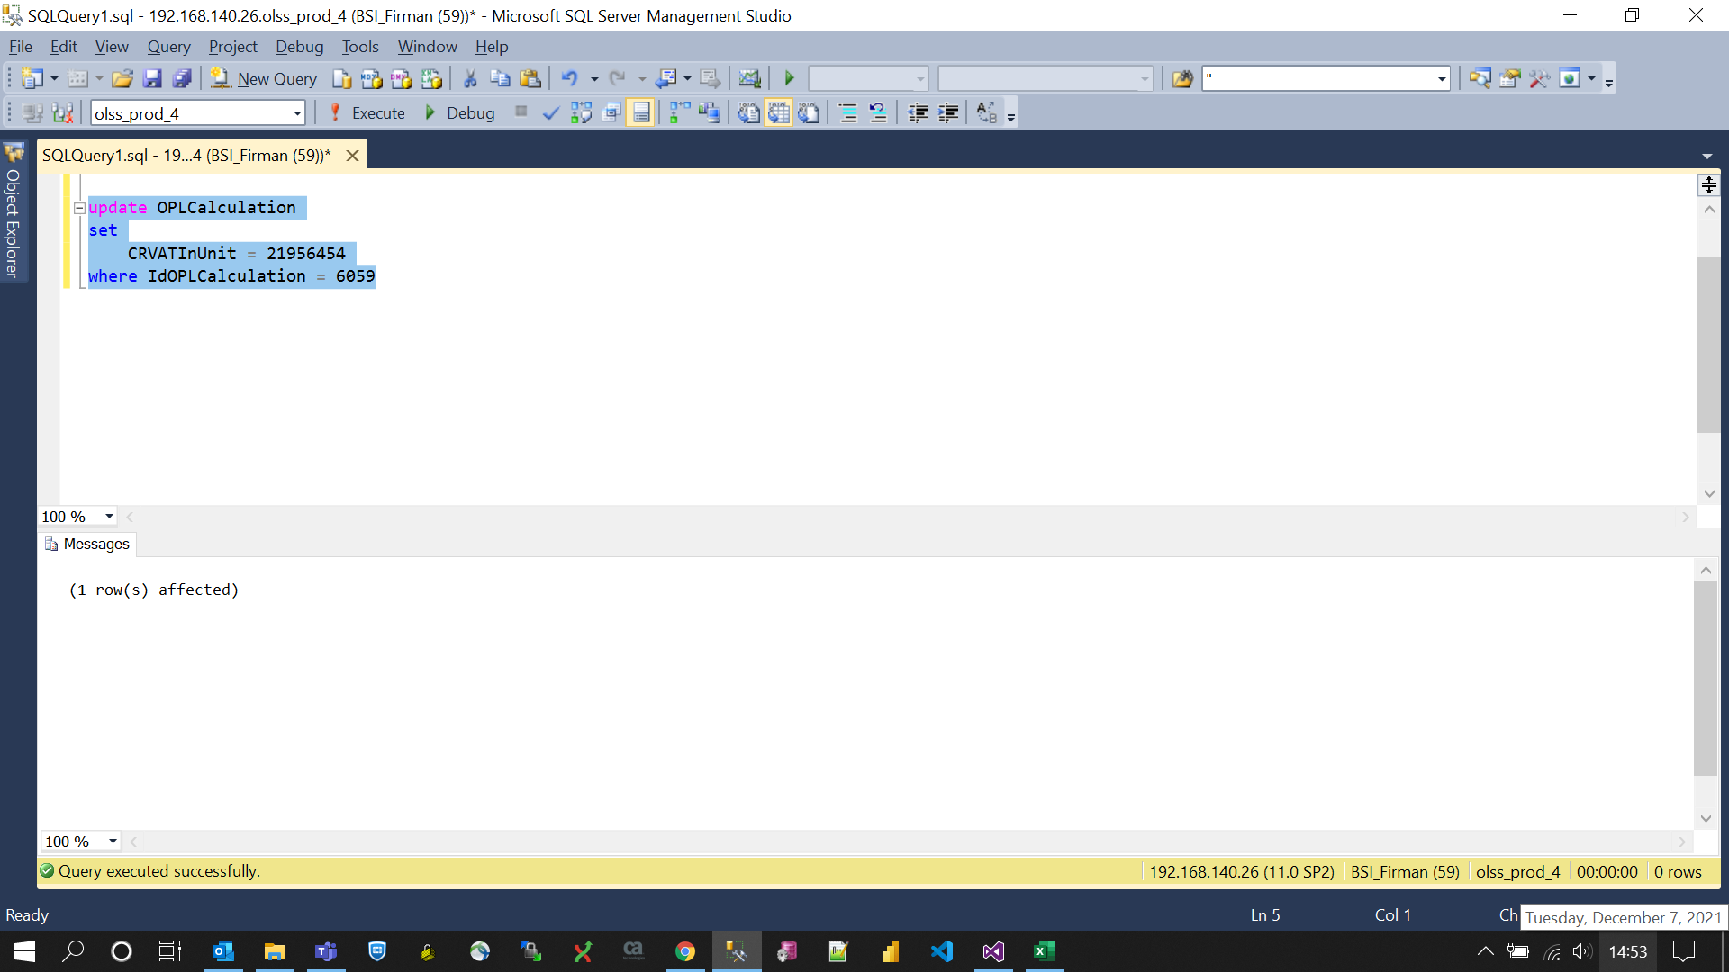
update OPLCalculation
set
 | CRVATInUnit = 21956454
where IdOPLCalculation = 6059

Screenshot
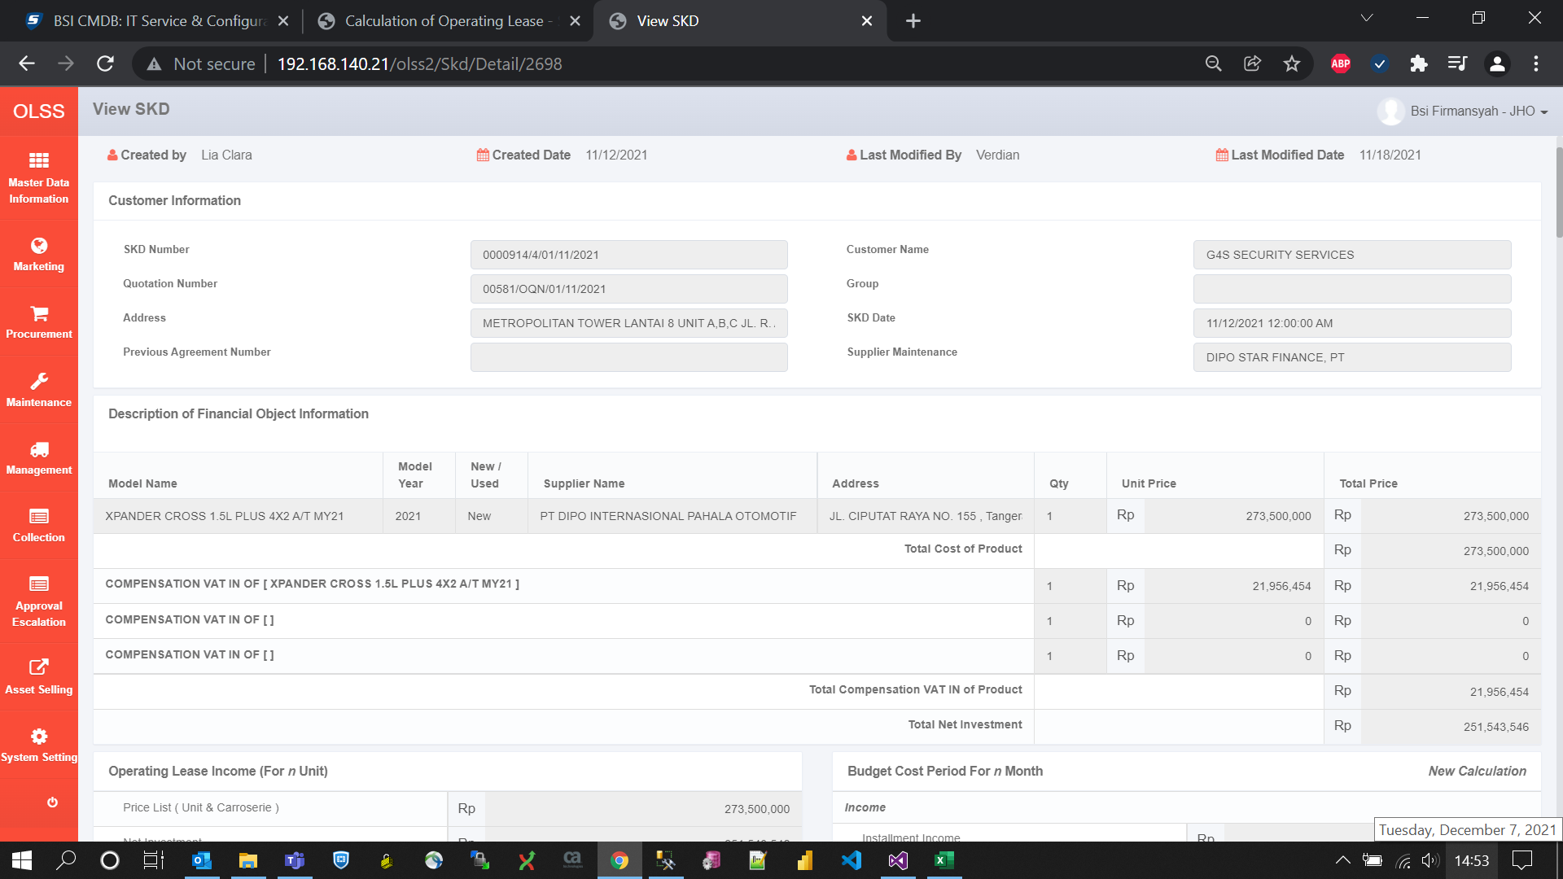
BEFORE
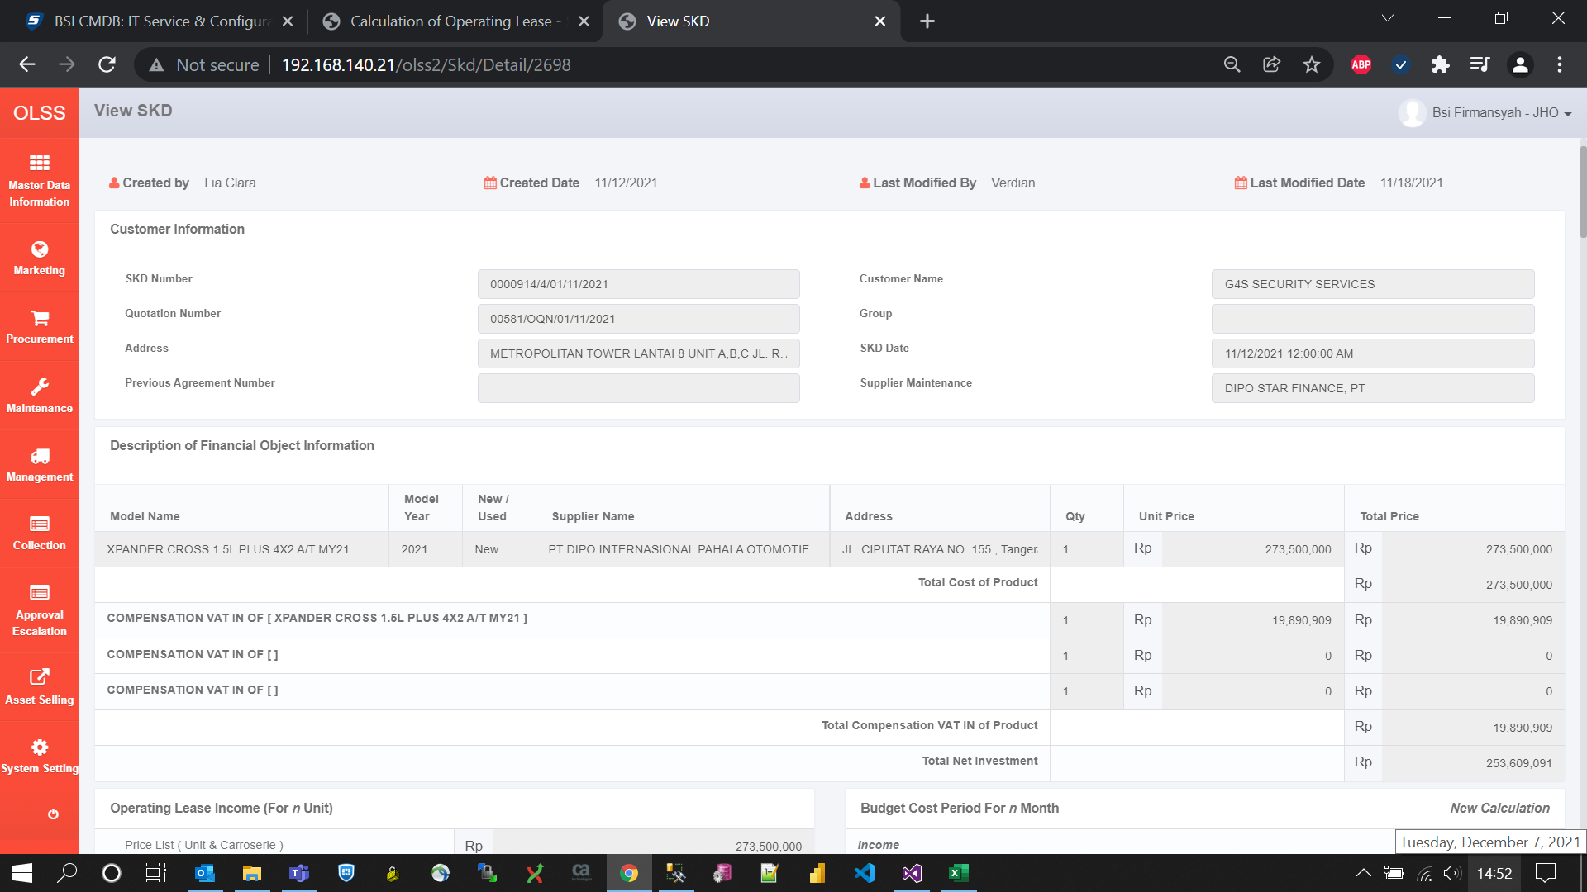

AFTER

